Cover
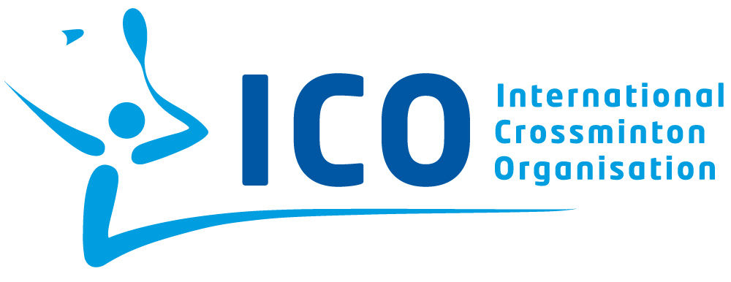
ICO Speedminton® Sponsor – Country Open 2016
 |  | 1000 points
 | Date

- Tournament results -

 |  | Powered by

Head umpire: NAME FirstName |  |  | Head organizer: NAME FirstName

